Datailed Inquiry Information
Detailed Inquiry Information

 | PLEASE PROVIDE EVIDENCE OF REQUEST / DETAILS OF REQUEST HERE (IN DETAIL).

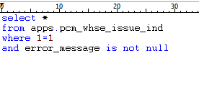

 | TRANSACTION_ID | TRANSACTION_TYPE | INSTRUCTION_NO | SEQUENCE_NUMBER | TAG_NO | TAG_NO_SEQ | INVOICE_NO | INVOICE_NO_SEQ | ORGANIZATION_CODE | ITEM_CODE | QUALITY_RANK | VENDOR_CODE | MAKER_CODE | QUANTITY | SUBINVENTORY_CODE | ISSUE_TYPE | REQUIRED_ISSUE | SHORTAGE_FLAG | WHSE_REMARKS | PROCESS_FLAG | ERROR_MESSAGE | CREATED_BY | CREATION_DATE | LAST_UPDATED_BY | LAST_UPDATE_DATE | LINE_CODE
 | 142483 | ISSUE | IS20A02047 | 1 | PK20A40041 | 1 | DR-00146 |  | IND | MT00000065 |  | T0B9MVM | * | 2 | INDLINE | P | R |  |  | 3 | Multiple Employees | 117B0008 | 10/9/20 | 4860 | 10/30/20
 | 142488 | ISSUE | IS20A02048 | 1 | PK20A40042 | 1 | DR-5683 |  | IND | GD00000042 |  | T0B0F7H | * | 10 | INDLINE | P | R |  |  | 3 | Multiple Employees | 117B0008 | 10/9/20 | 4860 | 10/30/20

Actual Operation Evidence
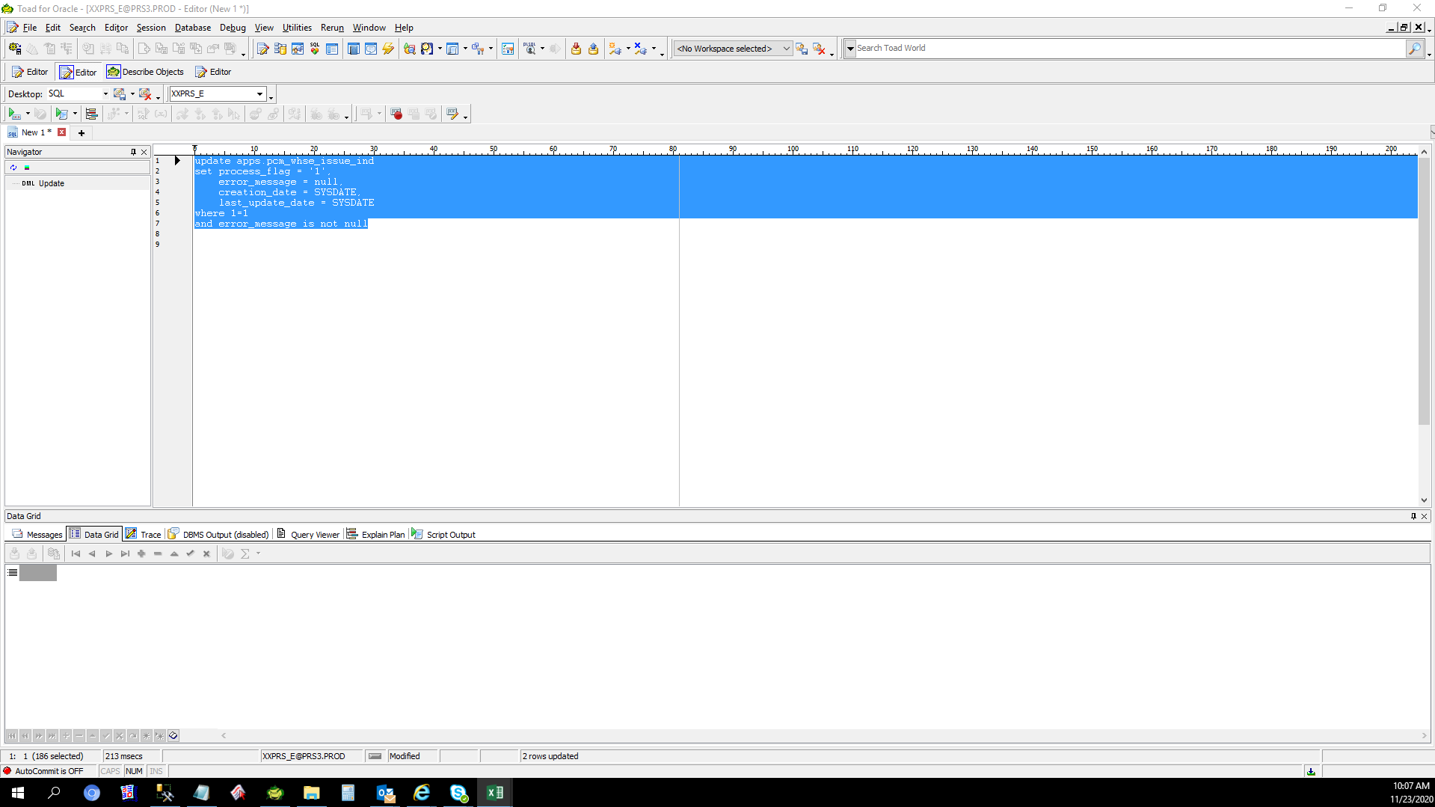

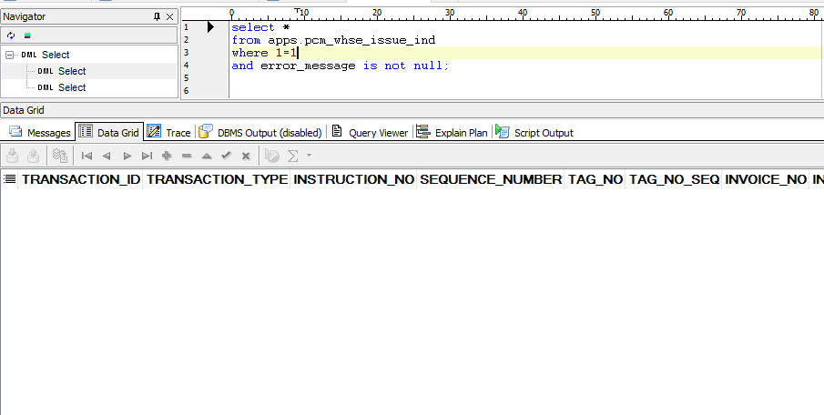
Actual Operation Evidence

 | Change the setup of Cost Center of GAC6 Interdep expense transfer

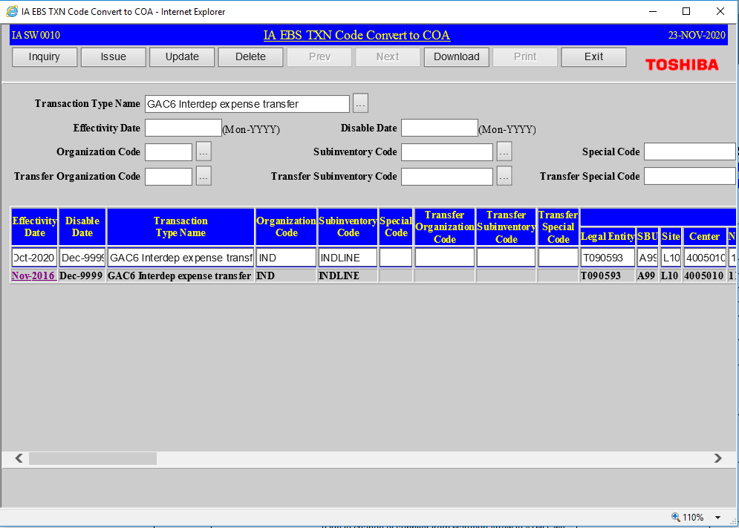

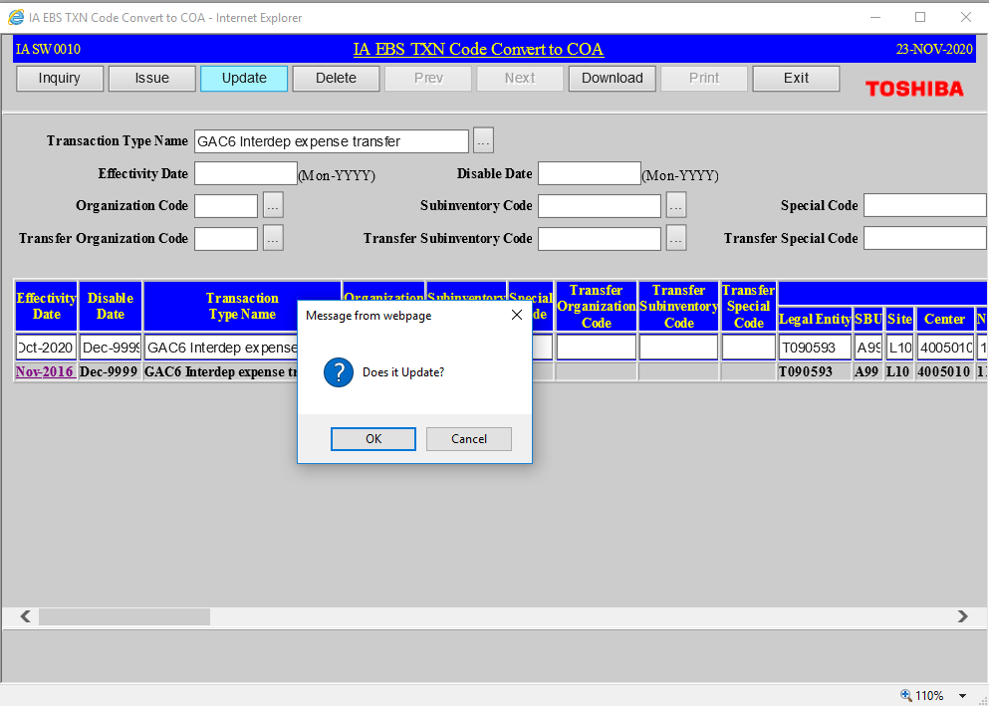

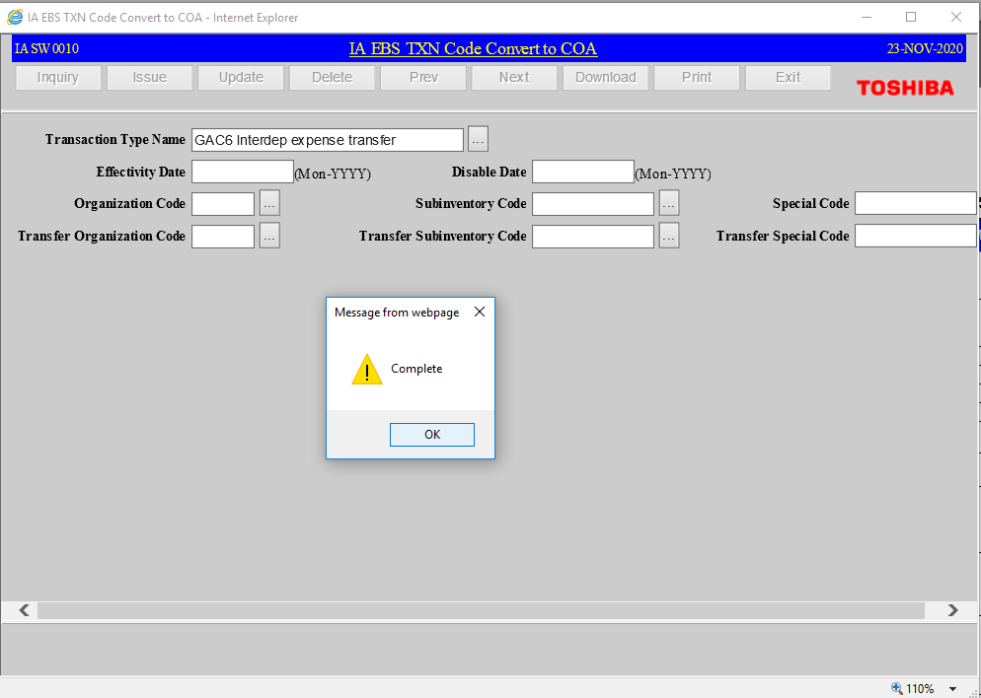

 | TRANSACTION_TYPE_NAME | ORGANIZATION_CODE | SUBINVENTORY_CODE | SPECIAL_CODE | TRANSFER_ORGANIZATION_CODE | TRANSFER_SUBINVENTORY_CODE | TRANSFER_SPECIAL_CODE | DR_ACCOUNT_FLEX_FIELD1 | DR_ACCOUNT_FLEX_FIELD2 | DR_ACCOUNT_FLEX_FIELD3 | DR_ACCOUNT_FLEX_FIELD4 | DR_ACCOUNT_FLEX_FIELD5 | DR_ACCOUNT_FLEX_FIELD6 | DR_ACCOUNT_FLEX_FIELD7 | DR_ACCOUNT_FLEX_FIELD8 | DR_ACCOUNT_FLEX_FIELD9 | DR_ACCOUNT_FLEX_FIELD10 | DR_ACCOUNT_FLEX_FIELD11 | DR_ATTRIBUTE1 | DR_ATTRIBUTE2 | DR_ATTRIBUTE3 | DR_ATTRIBUTE4 | DR_ATTRIBUTE5 | DR_ATTRIBUTE6 | DR_ATTRIBUTE7 | DR_ATTRIBUTE8 | DR_ATTRIBUTE9 | DR_ATTRIBUTE10 | DR_ATTRIBUTE11 | DR_ATTRIBUTE12 | DR_ATTRIBUTE13 | DR_ATTRIBUTE14 | DR_ATTRIBUTE15 | DR_ATTRIBUTE16 | DR_ATTRIBUTE17 | DR_ATTRIBUTE18 | DR_ATTRIBUTE19 | DR_ATTRIBUTE20 | CR_ACCOUNT_FLEX_FIELD1 | CR_ACCOUNT_FLEX_FIELD2 | CR_ACCOUNT_FLEX_FIELD3 | CR_ACCOUNT_FLEX_FIELD4 | CR_ACCOUNT_FLEX_FIELD5 | CR_ACCOUNT_FLEX_FIELD6 | CR_ACCOUNT_FLEX_FIELD7 | CR_ACCOUNT_FLEX_FIELD8 | CR_ACCOUNT_FLEX_FIELD9 | CR_ACCOUNT_FLEX_FIELD10 | CR_ACCOUNT_FLEX_FIELD11 | CR_ATTRIBUTE1 | CR_ATTRIBUTE2 | CR_ATTRIBUTE3 | CR_ATTRIBUTE4 | CR_ATTRIBUTE5 | CR_ATTRIBUTE6 | CR_ATTRIBUTE7 | CR_ATTRIBUTE8 | CR_ATTRIBUTE9 | CR_ATTRIBUTE10 | CR_ATTRIBUTE11 | CR_ATTRIBUTE12 | CR_ATTRIBUTE13 | CR_ATTRIBUTE14 | CR_ATTRIBUTE15 | CR_ATTRIBUTE16 | CR_ATTRIBUTE17 | CR_ATTRIBUTE18 | CR_ATTRIBUTE19 | CR_ATTRIBUTE20 | EFFECTIVITY_DATE | DISABLE_DATE | CREATION_DATE | CREATED_BY | LAST_UPDATE_DATE | LAST_UPDATED_BY | LAST_UPDATE_LOGIN
 | GAC6 Interdep expense transfer | IND | INDLINE |  |  |  |  | T090593 | A99 | L10 | 4005010 | 11701110 | 1592 | X2000 | PHL | 0000000 | 000000 | 0000 |  |  |  |  |  |  |  |  |  |  |  |  | UKP |  |  |  |  |  |  |  | T090593 | A99 | L10 | 1001860 | 42500120 | 7412 | X2000 | PHL | 0000000 | 000000 | 0000 |  |  |  |  |  |  |  |  |  |  | T0905930000 |  | UKP |  |  |  |  |  |  |  | 10/1/2020 | 12/31/9999 11:59:59 PM | 11/4/2016 11:10:11 AM | IASW001000 | 11/23/2020 10:03:15 AM | IASW001000 | Z6933TIP

Helpdesk Request
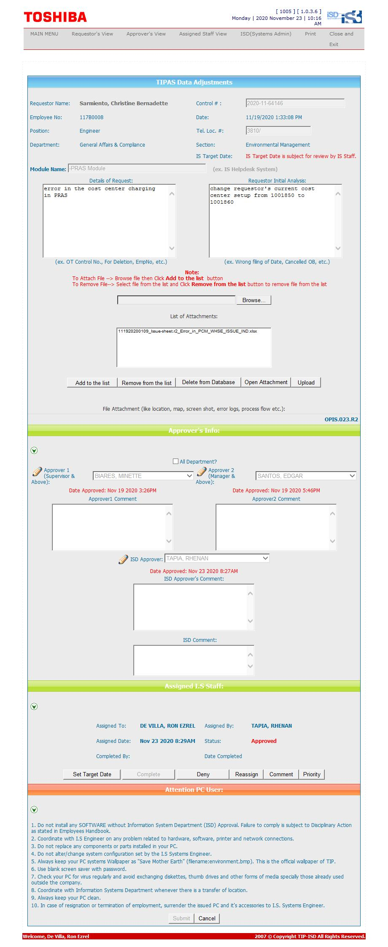
Helpdesk Request

 | ATTACH SCREENSHOT OF HELPDESK REQUEST.

